Annex B
Annex B Schematic diagram and structural composition of product
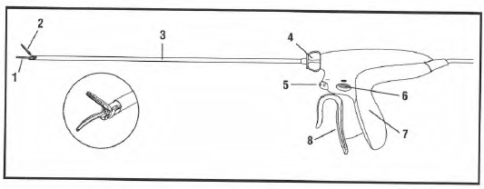

1 Coated shear | 5 Energy button
2 Clamp arm and tissue pad | 6 Advanced hemostasis energy button
3 Shaft | 7 Handle
4 Rotation knob | 8 Closing handle

